Sheet1
Club Name |  | US Pass Port Size. [ Photo Size Must Be 2”x2”]*. Teams can capture pics using their phone or other PDAs
Team 1 Name [ optional ]
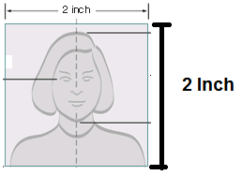
Team 2 Name [ optional ]

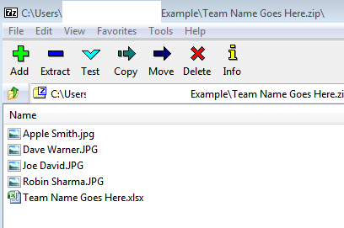
Pls Include this file, pictures of your team members [similar to passport photo type], zip it and then send it to micricketstats@gmail.com [ Photo Size Must Be 2”x2”]
S.NO | Full Name
1
2
3
4
5
6
7 |  | 1. Include all the Photo's and the excel file in a Zip File 2. Name your photo's with players name "First Name Last Name " 3. Name your zip file with Team Name
8
9
10
11
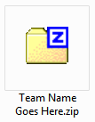
12
13
14
15
16
17
18
19
20
21
22
23
24
25
26
27
28
29
30
31
32
33
34
35
36
37
38
39
40

